2 deg
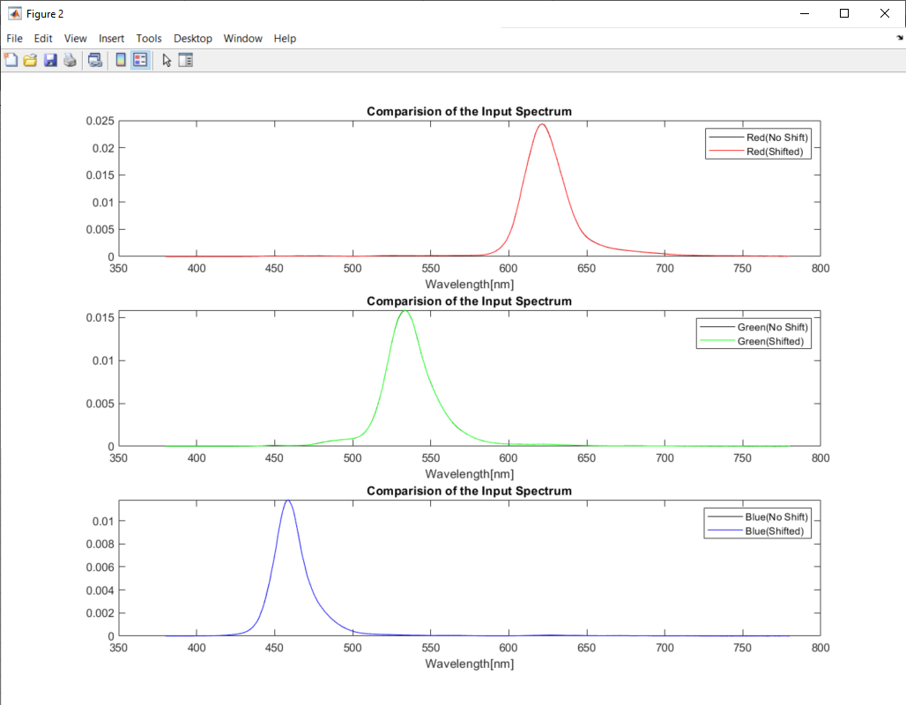
Pattern Colors | X_shifted | Y_shifted | Z_shifted | 1931 x | 1931 y | Simulated R | Simulated G | Simulated B | X_Calculated | Y_Calculated | Z_Calculated | 1931 x | 1931 y | dx | dy | CIE x_Mithran | CIE y_Mithran
Red | 58.386338731 | 27.916572912 | 0.73631721428 | 0.6708 | 0.3207 | 65.7389278 | 13.325160522 | 1.6162470886 | 58.646154133 | 28.054443313 | 0.75213712757 | 0.67060400591 | 0.32079549542 | 0.00020086560963 | -5.996870496E-05 | 0.6711 | 0.3204
Green | 16.111144852 | 47.366093791 | 3.5146284107 | 0.2405 | 0.7070 | 5.8856398975 | 50.767044857 | 7.1610109754 | 16.154205441 | 47.501639059 | 3.5198921307 | 0.24047678896 | 0.70712494483 | 1.7252482696E-05 | -8.2495135254E-05 | 0.24 | 0.7076
Blue | 8.1950637846 | 2.8662023085 | 45.267788729 | 0.1455 | 0.0509 | 1.430969403 | 9.6410626738 | 22.753857465 | 8.2308889406 | 2.8801628501 | 45.388841315 | 0.14567972589 | 0.050976430074 | -0.00019417122872 | -9.3234580192E-05 | 0.1455 | 0.0507

4 deg
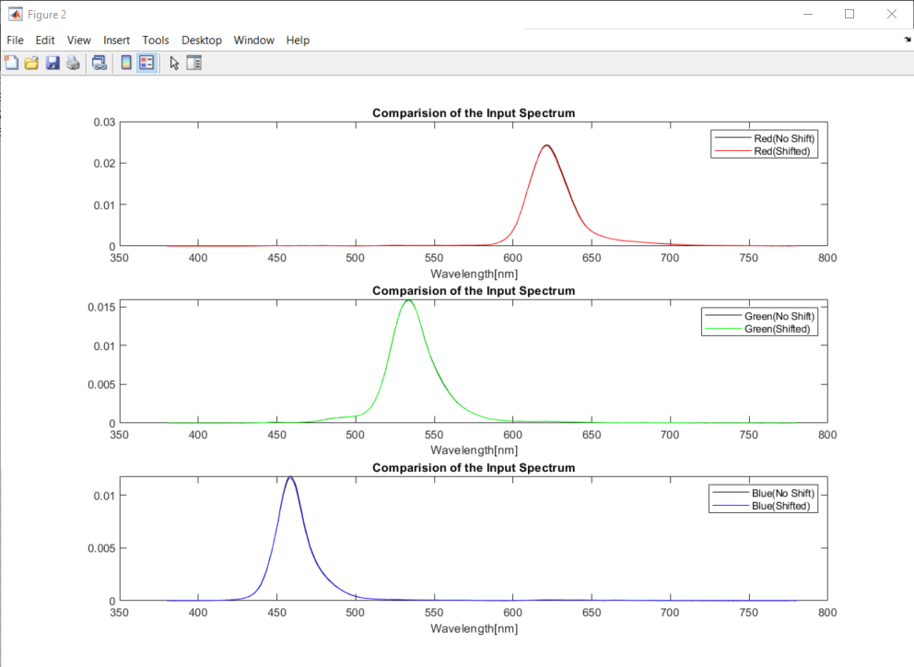
Pattern Colors | X_shifted | Y_shifted | Z_shifted | 1931 x | 1931 y | Simulated R | Simulated G | Simulated B | X_Calculated | Y_Calculated | Z_Calculated | 1931 x | 1931 y | dx | dy | CIE x_Mithran | CIE y_Mithran
Red | 57.774990719 | 27.65372066 | 0.71317129651 | 0.67069570486 | 0.32102526438 | 64.831823103 | 13.139576844 | 1.5706722152 | 57.831270616 | 27.672466769 | 0.69350052603 | 0.67091790894 | 0.32103658353 | -0.00022220408159 | -1.1319157422E-05 | 0.671 | 0.3207
Green | 15.973896907 | 47.207210605 | 3.4964144037 | 0.23956944481 | 0.70799287749 | 5.8547420761 | 50.664749288 | 7.1620787328 | 16.109048935 | 47.396820436 | 3.5450801538 | 0.24025086966 | 0.70687769184 | -0.00068142485057 | 0.0011151856499 | 0.2391 | 0.7085
Blue | 8.1169471474 | 2.8385894599 | 44.626587105 | 0.1460352107 | 0.051070187145 | 1.4779041549 | 9.4999677567 | 22.40714554 | 8.1648832178 | 2.8583967752 | 44.696319978 | 0.14653520883 | 0.051299664332 | -0.00049999813398 | -0.0002294771869 | 0.1461 | 0.0508

6 deg
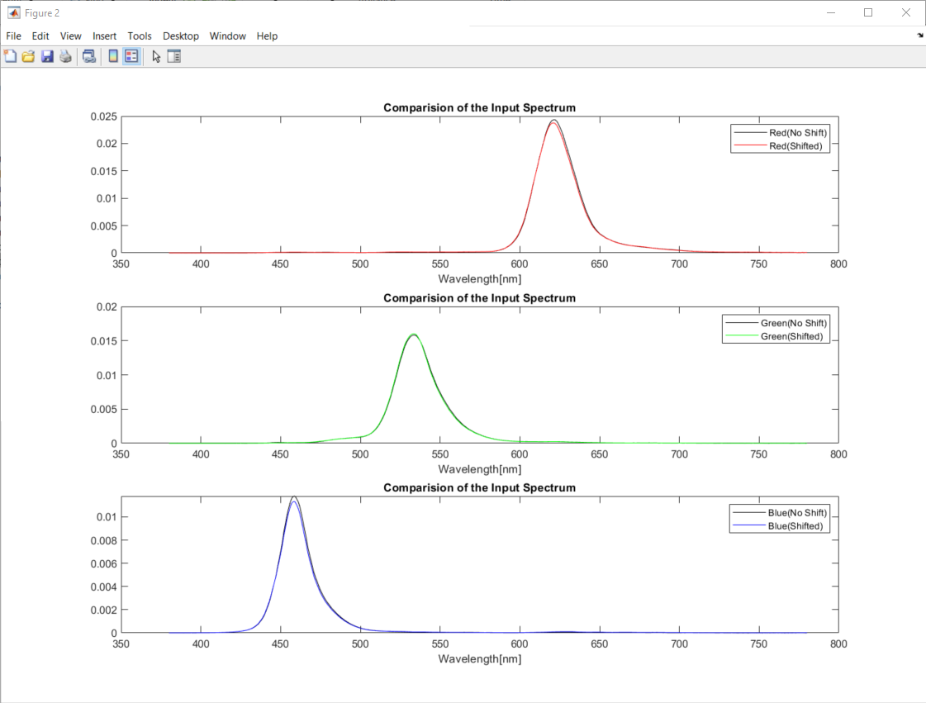
Pattern Colors | X_shifted | Y_shifted | Z_shifted | 1931 x | 1931 y | Simulated R | Simulated G | Simulated B | X_Calculated | Y_Calculated | Z_Calculated | 1931 x | 1931 y | dx | dy | CIE x_Mithran | CIE y_Mithran
Red | 57.398220207 | 27.568691779 | 0.84488289569 | 0.66888497422 | 0.32126925928 | 64.253242777 | 13.183111486 | 1.6363123093 | 57.363556879 | 27.55490293 | 0.81744384653 | 0.66907275055 | 0.32139280925 | -0.0001877763289 | -0.00012354997335 | 0.6692 | 0.3209
Green | 15.76339471 | 47.019881976 | 3.5218893674 | 0.23774006836 | 0.70914356716 | 5.8392210438 | 50.615416789 | 7.2145852653 | 16.098647054 | 47.33101403 | 3.6658987007 | 0.23993610167 | 0.70542691918 | -0.002196033313 | 0.0037166479729 | 0.2373 | 0.7097
Blue | 7.9978298231 | 2.8137339456 | 43.528668552 | 0.14718063361 | 0.051779939567 | 1.5320333344 | 9.2747848672 | 21.823812687 | 8.0350460969 | 2.8273536696 | 43.528265466 | 0.14772840271 | 0.051982332951 | -0.00054776910106 | -0.00020239338462 | 0.1472 | 0.0516

8 deg
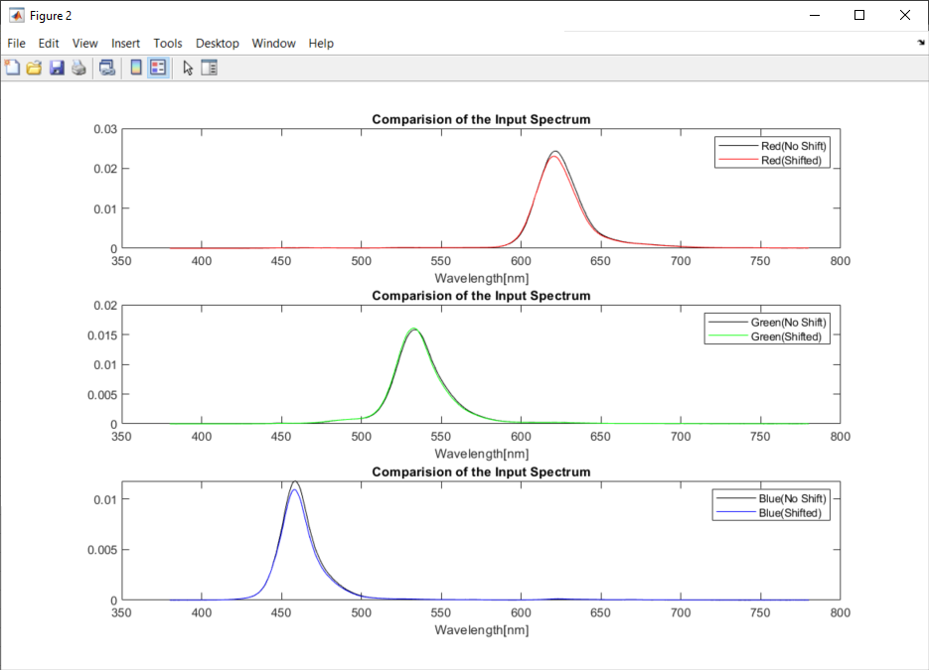
Pattern Colors | X_shifted | Y_shifted | Z_shifted | 1931 x | 1931 y | Simulated R | Simulated G | Simulated B | X_Calculated | Y_Calculated | Z_Calculated | 1931 x | 1931 y | dx | dy | CIE x_Mithran | CIE y_Mithran
Red | 56.079456677 | 27.065788518 | 0.91525222779 | 0.667132106 | 0.32197987578 | 62.390238309 | 12.971371927 | 1.6399016967 | 55.743976086 | 26.902874016 | 0.86184946767 | 0.66752298112 | 0.32215654362 | -0.00039087512136 | -0.00017666784447 | 0.6675 | 0.3216
Green | 15.439932192 | 46.675726234 | 3.6137566116 | 0.2349014088 | 0.71011930058 | 5.7914901494 | 50.473383212 | 7.3118453341 | 16.053775025 | 47.156480039 | 3.9010413014 | 0.23921121919 | 0.7026608424 | -0.0043098103973 | 0.0074584581825 | 0.2344 | 0.7107
Blue | 7.7758498843 | 2.7609213536 | 41.934447665 | 0.14819266727 | 0.052617823853 | 1.5181192028 | 8.9415801914 | 20.986825935 | 7.7691533478 | 2.7510997979 | 41.85404447 | 0.14833904609 | 0.052527669546 | -0.00014637881462 | 9.0154307036E-05 | 0.1482 | 0.0524

10 deg
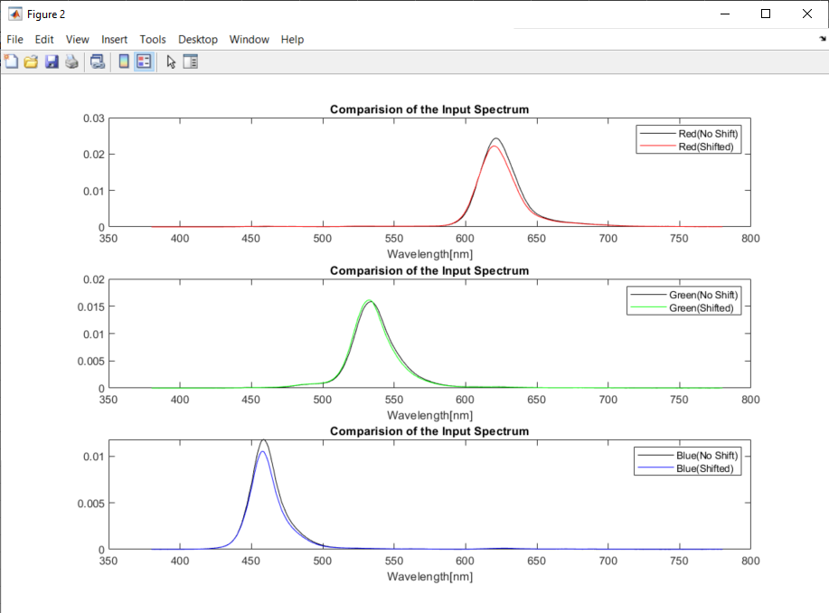
Pattern Colors | X_shifted | Y_shifted | Z_shifted | 1931 x | 1931 y | Simulated R | Simulated G | Simulated B | X_Calculated | Y_Calculated | Z_Calculated | 1931 x | 1931 y | dx | dy | CIE x_Mithran | CIE y_Mithran
Red | 54.790151148 | 26.585709434 | 0.97176965167 | 0.66535188678 | 0.32284729213 | 60.53794522 | 12.757932301 | 1.6330347086 | 54.130771085 | 26.254858609 | 0.88484643895 | 0.66605701924 | 0.3230553069 | -0.00070513245763 | -0.00020801476911 | 0.6657 | 0.3225
Green | 15.03206817 | 46.183225199 | 3.7768065425 | 0.23129069826 | 0.71059752281 | 5.7297148112 | 50.227305127 | 7.4459357062 | 15.985904397 | 46.869148647 | 4.2366194199 | 0.23826957669 | 0.69858369788 | -0.0069788784298 | 0.012013824927 | 0.2308 | 0.7112
Blue | 7.4824318024 | 2.6578587488 | 40.180609686 | 0.14869431523 | 0.052818187597 | 1.482570112 | 8.5468313667 | 20.063675965 | 7.4536379789 | 2.6362711158 | 40.01351442 | 0.14876504351 | 0.05261658647 | -7.0728279907E-05 | 0.00020160112695 | 0.1487 | 0.0526

20 deg
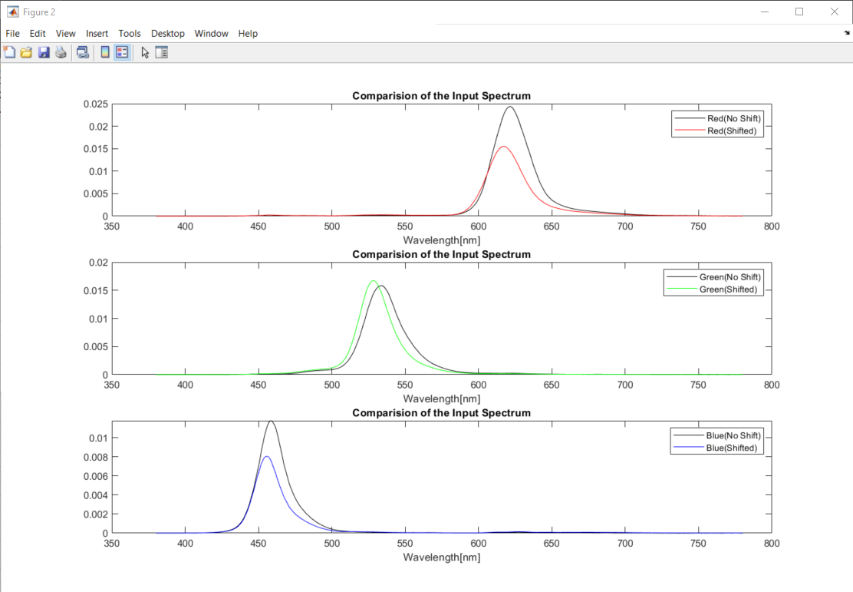
Pattern Colors | X_shifted | Y_shifted | Z_shifted | 1931 x | 1931 y | Simulated R | Simulated G | Simulated B | X_Calculated | Y_Calculated | Z_Calculated | 1931 x | 1931 y | dx | dy | CIE x_Mithran | CIE y_Mithran
Red | 41.592179145 | 21.249786319 | 1.2449131324 | 0.64899680022 | 0.33157780164 | 44.168732068 | 10.671259882 | 1.5340766148 | 39.828089105 | 20.349135933 | 1.0534175562 | 0.65046008694 | 0.33233582191 | -0.001463286719 | -0.00075802027509 | 0.6493 | 0.3312
Green | 12.073447977 | 42.587447482 | 4.6875748406 | 0.20343317892 | 0.71758290091 | 5.3254263777 | 48.521889504 | 8.4131955483 | 15.544450818 | 44.872560657 | 6.6417952993 | 0.23180327187 | 0.66915238752 | -0.028370092945 | 0.048430513386 | 0.2029 | 0.7183
Blue | 6.1285660434 | 2.1292280397 | 31.476355222 | 0.15423926649 | 0.053586853549 | 1.5502414136 | 6.5314063813 | 15.408097424 | 6.0673539323 | 2.0934548589 | 30.738488173 | 0.15597592774 | 0.053817292914 | -0.0017366612482 | -0.00023043936496 | 0.1543 | 0.0534

30 deg
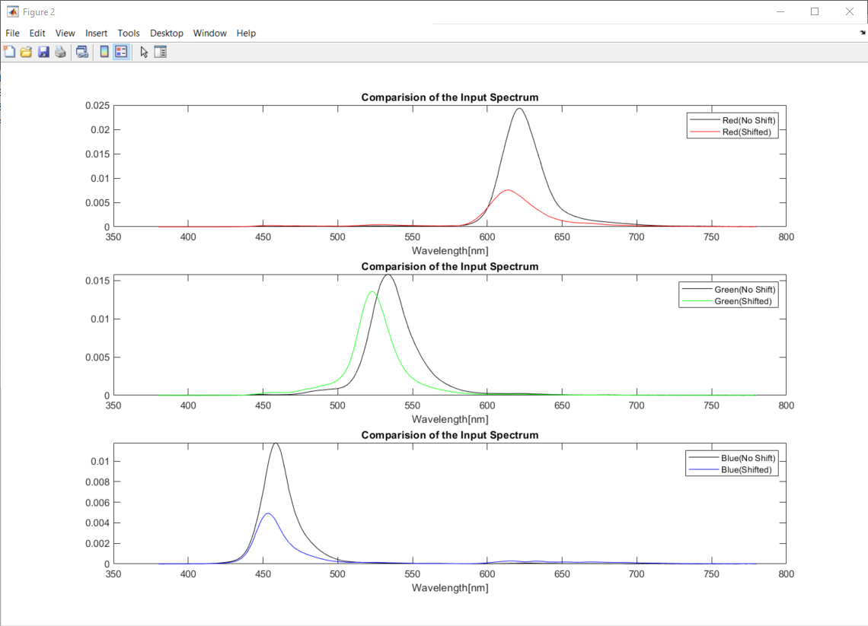
Pattern Colors | X_shifted | Y_shifted | Z_shifted | 1931 x | 1931 y | Simulated R | Simulated G | Simulated B | X_Calculated | Y_Calculated | Z_Calculated | 1931 x | 1931 y | dx | dy | CIE x_Mithran | CIE y_Mithran
Red | 23.66950996 | 13.334400204 | 1.5784245643 | 0.61348049896 | 0.34560895026 | 24.709399603 | 7.7095590993 | 1.4968446275 | 22.753574325 | 12.848777712 | 1.5307054306 | 0.61275790028 | 0.34601992371 | 0.00072259868109 | -0.00041097345886 | 0.6138 | 0.3453
Green | 7.9778613647 | 32.202195546 | 6.2418075317 | 0.17185568612 | 0.69368595882 | 4.349157094 | 39.395157125 | 9.2364834613 | 13.192887927 | 35.73934361 | 10.421302117 | 0.22227636864 | 0.60214348515 | -0.050420682521 | 0.091542473673 | 0.1713 | 0.6946
Blue | 4.7047804407 | 1.873395494 | 20.18477093 | 0.17579455897 | 0.069999596962 | 2.1208724464 | 4.5807129833 | 9.8491072689 | 4.9131522127 | 1.9960712591 | 19.563436058 | 0.18559345 | 0.075401236389 | -0.0097988910276 | -0.0054016394263 | 0.1758 | 0.0698

40 deg
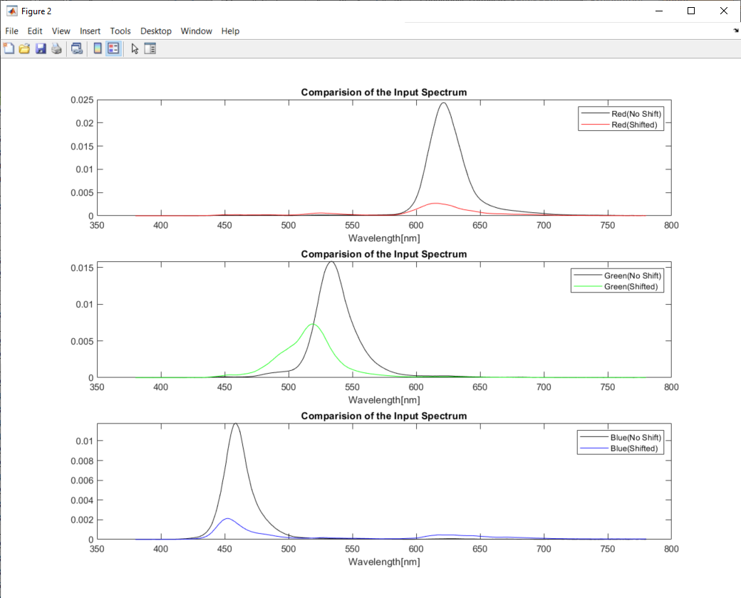
Pattern Colors | X_shifted | Y_shifted | Z_shifted | 1931 x | 1931 y | Simulated R | Simulated G | Simulated B | X_Calculated | Y_Calculated | Z_Calculated | 1931 x | 1931 y | dx | dy | CIE x_Mithran | CIE y_Mithran
Red | 9.8413992567 | 6.6280362004 | 1.6426214406 | 0.54336176793 | 0.36594607878 | 10.611475798 | 4.970610743 | 1.4168097584 | 10.259997589 | 6.8675352179 | 1.8997698122 | 0.53922501755 | 0.36093057201 | 0.0041367503731 | 0.0050155067742 | 0.5436 | 0.3657
Green | 4.6383612495 | 19.304906514 | 7.5853448373 | 0.1471159327 | 0.61229800241 | 2.9413758814 | 25.966930444 | 9.4947457359 | 9.53912882 | 22.585416497 | 13.990184649 | 0.20685643887 | 0.48976577579 | -0.059740506167 | 0.12253222662 | 0.1466 | 0.6132
Blue | 3.6169312985 | 2.0351233971 | 9.5644067972 | 0.23769858059 | 0.13374485245 | 2.871564546 | 3.2354809926 | 4.8780191781 | 4.1598556269 | 2.3457385292 | 9.4813549093 | 0.26020322013 | 0.14672834195 | -0.022504639538 | -0.012983489504 | 0.2376 | 0.1335

48 deg
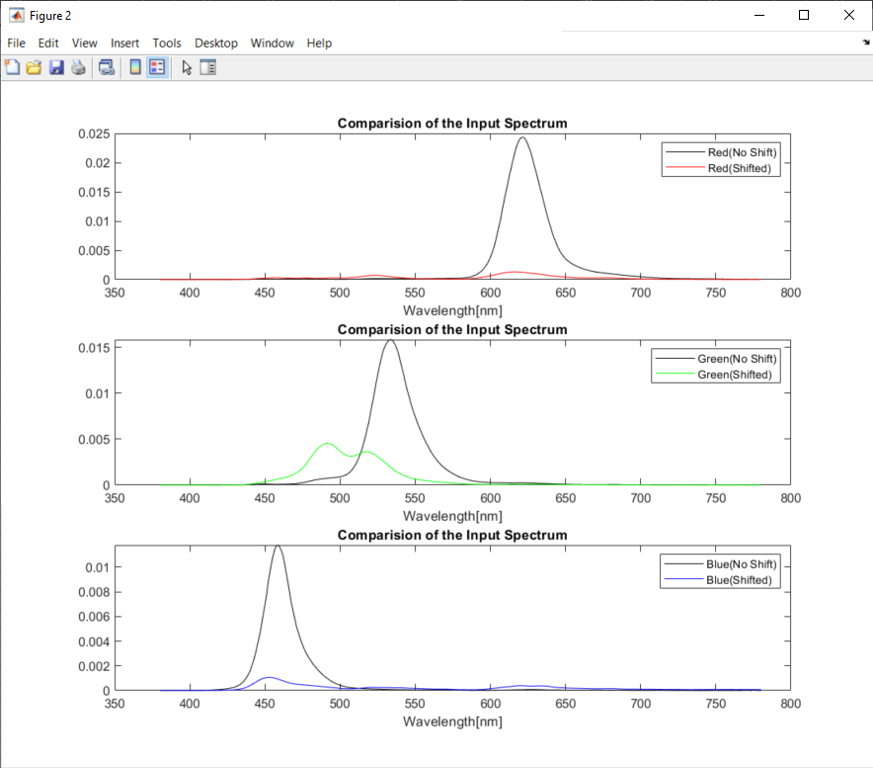
Pattern Colors | X_shifted | Y_shifted | Z_shifted | 1931 x | 1931 y | Simulated R | Simulated G | Simulated B | X_Calculated | Y_Calculated | Z_Calculated | 1931 x | 1931 y | dx | dy | CIE x_Mithran | CIE y_Mithran
Red | 5.2030262894 | 4.3349294069 | 1.9773905555 | 0.4518 | 0.3764 | 5.6645209993 | 4.0740828574 | 1.5981503244 | 5.9360565676 | 4.7691198324 | 2.4524186155 | 0.45115057582 | 0.3624613637 | 0.0006835397743 | 0.013986665917 | 0.4519 | 0.3763
Green | 3.3715980227 | 11.80265634 | 10.052045903 | 0.1337 | 0.4679 | 1.9921813448 | 17.691604209 | 10.228190912 | 7.3496507674 | 14.292537144 | 17.389476697 | 0.1882997008 | 0.36617800669 | -0.054645618063 | 0.10169307292 | 0.1333 | 0.4685
Blue | 2.6728294639 | 2.0894965632 | 5.3490742914 | 0.2643 | 0.2066 | 2.4074625484 | 2.8764760815 | 2.9436547586 | 3.2559543081 | 2.4551059777 | 5.5165259764 | 0.28999592896 | 0.21866730038 | -0.025657718656 | -0.012019704856 | 0.2642 | 0.2064

